
 |  |  |  | CODE: |  |  | pl1381 ab SN from 00A101
DESCRIPTION: |  | HEAD 95 FLAP and BOX |  | KOPF | TETE | CABEZA | TEST. 95: FLAP E CASSETTO

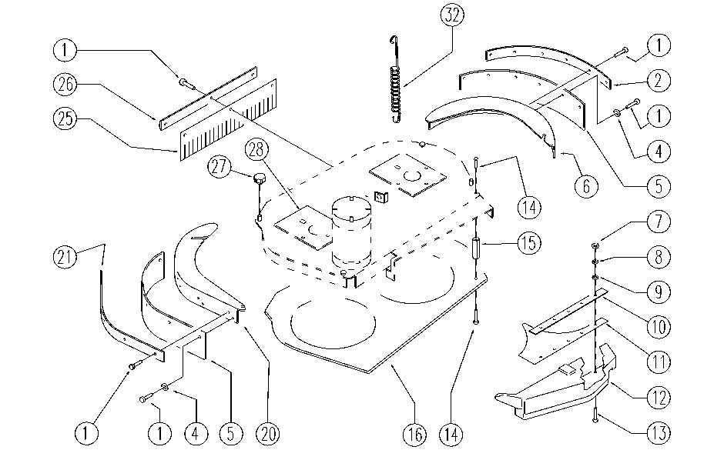

REF. | CODE | DESCRIPTION | QT
1 | E89469 | M4 - 15 Screw | 23
2 | E89295 | Flap press WS36T | 1
4 | E89118 | Washer | 10
5 | E87781 | Flap, Splash Guard Side WS36T | 2
6 | SL09883 | COVER | 1
7 | E86735 | Nut | 5
8 | E86769 | Washer | 5
9 | E86768 | Washer | 5
10 | SL21133 | LAMINATION | 1
11 | E86821 | Collecting Box | 1
12 | E86898 | Dust Collector | 1
13 | SL04364 | SCREW | 5
14 | E86970 | Screw M4, 2-13 | 14
15 | SL14205 | SPACER | 7
16 | SL03425 | GUARD | 1
20 | SL09882 | COVER | 1
21 | E89294 | Flap press WS36T | 1
25 | E87782 | Flap, Splash Guard | 1
26 | SL03426 | FLAP PRESS | 1
27 | MP06100 | HANDLE | 2
28 | SL03291 | GASKET | 2
32 | E86699 | Head Spring | 1

